Image 9 10
Image 9 - May 1 Image 10 - July 31
Step | Start | End | Resource
IBM Refresh U92SCOR, complete masking | 2018-07-26 | 2018-07-28 | IBM Upgrade | Complete
· 07/26/18 Copy of Production
Extract Image 9, 10 | 2018-08-01 | 2018-08-02 |  | Complete
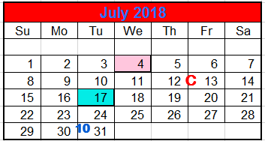
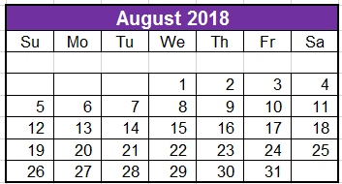
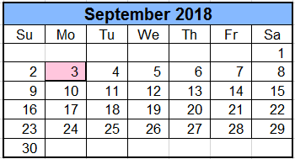
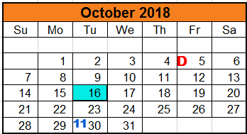
IBM Apply PeopleTools Patch (8.55.13 to 8.55.15) to M92 and U92 * include an impact analysis of the Tools customizations * All non prod outage (5/10 12am - 8am EST) due to Tools Patch and WebLogic updates IBM Apply Image 9, 10 to M92/U92 NOTE: M92SCOR & U92 & T92 On web server l123123lweb2001 B92SCOR & A92 & X92 & T92 & D92 on web server l123123lweb2002 | 2018-08-03 | 2018-08-09 | IBM Upgrade | In Progress
Oracle Release of Image 9, 10 Send email to (Ron Henry (rgh3@cornell.edu), Beth Goelzer Lyons (bgl1@cornell.edu) {cc. Rob and Sherri} to place release notes on IT Services Page: https://it.cornell.edu/peoplesoft/peoplesoft-bundle-release-schedule | 2018-08-01 | 2018-08-04 | Oracle | In Progress
IBM Complete retrofits in U92, impact analysis | 2018-08-10 | 2018-08-20 | IBM AE | In Progress
Refresh A92SCOR, complete masking | 2018-08-17 | 2018-08-18 | IBM Upgrade | Open
· 8/17/18 Copy of Production - there will be a special backup run at 9pm and used for other refreshes as well
· Code Freeze in Effect (non-emergency)
· A92SCOR down after Close of Business 08/17/18
· All non prod outage (5/27/17 1am - 6am EST) - due to Tools Patch
· Refresh of A92SCOR will be a full refresh from Production - including security
· Alternate Migration Path in Progress
IBM runs a COMPARE (with specific setups/configurations) of U92 to D92 and provide info to Developers via HTML report | 2018-08-20 | 2018-08-21 | IBM Upgrade | Open
a) The COMPARE would show differences between remediated U92 with Image and what is in D92 to show overlap between Image and Customizations
b) Generated COMPARE would show only CUSTOM objects; don't show any changes that are part of the Oracle delivered patch
c) Compare Project FAMD0071 in D92 to U92 project
IBM Deliver Impact Analysis to Cornell | 2018-08-21 |  | IBM AE | Open
IBM SSC manual steps and validation in U92 | 2018-08-21 | 2018-08-22 | IBM SSC | Open
· Include Security Step
IBM complete A92 Test move | 2018-08-22 | 2018-08-28 | IBM Upgrade | Open
· Outage timings to be compiled after
· environment down
IBM Deliver Compare report for U92 to D92 - send to: Sherri, Rob | 2018-08-22 |  | IBM Upgrade | Open
Refresh T92 with U92 and complete Performance Testing (07/26 COP, term to test 2713)
· Refresh T92 with U92 (07/26/18 COP) | 2018-08-24 | 2018-08-27 | IBM Upgrade | Open
· Setup term 2713 for Performance Testing | 2018-08-28 | 2018-08-29 | Cornell: Lisa | Open
· Complete Performance Test Scripts and analyze results | 2018-08-31 | 2018-09-07 | IBM Upgrade | Open
?? db audits - need to discuss with David if added before or after perf test w/ image
Developers review COMPARE of U92 to D92 | 2018-08-23 | 2018-08-27 | Cornell | Open
a) analyze if there is a conflict with the Image
b) Developers save off their projects in flight from D92
IBM SSC Manual steps in A92 | 2018-08-29 | 2018-08-29 | IBM SSC | Open
IBM completes D92 migration of Image 9,10- environment down 2 days | 2018-08-29 | 2018-08-30 | IBM Upgrade | Open
UAT in A92SCOR * including Higher One for Tools Patch (need psjoa.jar file to send to HigherOne) | 2018-08-30 | 2018-09-26 | Cornell | Open |  | Homecoming 9/21-9/22
Developers review/re-apply customizations as needed in D92 | 2018-08-31 |  | Cornell | Open |  | Would like this in a week earlier
Production move | 2018-09-28 | 2018-09-29 | All |  |  | 9/14: Billing, can't be down
 |  |  |  |  |  | 9/7 week after students arrive
 |  |  |  |  |  | 2018-09-28

 |  |  |  |  | 4/27 - would fall after enrollment, good
 |  |  |  |  | admissions, student financials, fa, cr,
 |  |  |  |  | ? For error in U92 and P92
 |  |  |  |  | need to make sure the new fields added are not activated

