Image 11 12 13 14 v2

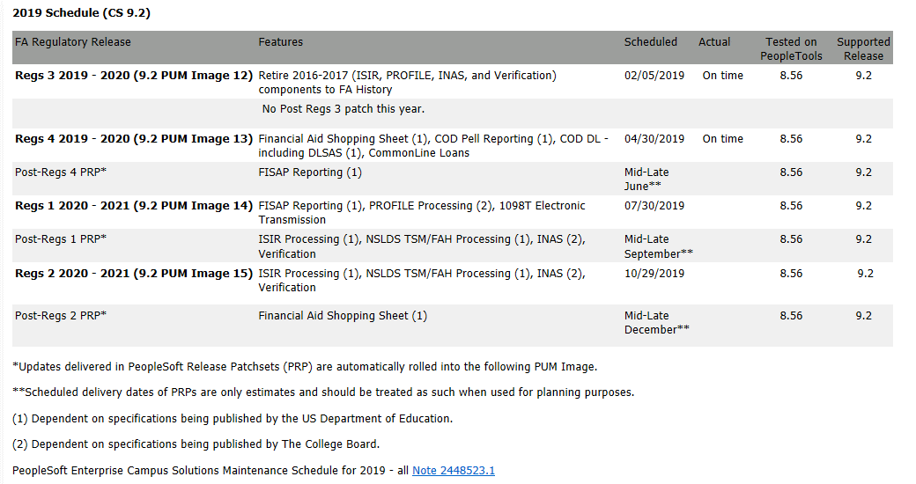
This Photo by Unknown Author is licensed under CC BY-SA
Image 11 - May 1 ~*~ Image 12 - Feb 5 ~*~ Image 13 - Apr 30 ~*~ Image 14 - Aug 6
Step | Start | End | Resource
Oracle Release of Image 11,12,13,14 Send email to (Ron Henry (rgh3@cornell.edu), Beth Goelzer Lyons (bgl1@cornell.edu) {cc. Rob and Sherri} to place release notes on IT Services Page: https://it.cornell.edu/peoplesoft/peoplesoft-bundle-release-schedule NOTE: Image 11-13 already posted on IT Services Page | 2019-08-07 | 2019-08-10 | Oracle | Complete | 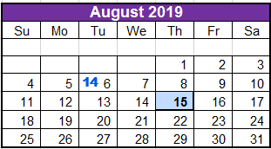
IBM Refresh U92SCOR, complete masking | 2019-08-16 | 2019-08-18 | IBM Upgrade | Complete
· 8/16/19 Copy of Production
Extract Image 11-14 | 2019-08-14 | 2019-08-15 |  | Complete
IBM Apply PeopleTools Patch (8.55.13 to 8.55.15) to M92 and U92 * include an impact analysis of the Tools customizations * All non prod outage (5/10 12am - 8am EST) due to Tools Patch and WebLogic updates IBM Apply Image 11-14 to M92/U92 NOTE: M92SCOR & U92 & T92 On web server l123123lweb2001 B92SCOR & A92 & X92 & T92 & D92 on web server l123123lweb2002 | 2019-08-19 | 2019-08-30 | IBM Upgrade | Complete
IBM to Complete delivered retrofits in U92 | 2019-09-02 | 2019-09-10 | IBM AE | Complete
Cornell IT complete custom retrofits in U92, impact analysis | 2019-09-03 | 2019-09-17 | Cornell IT | In Progress
Refresh A92SCOR, complete masking | 2019-09-13 | 2019-09-16 | IBM Upgrade | Complete
· 9/13/19 Copy of Production - there will be a special backup run at 9pm and used for other refreshes as well
· Code Freeze in Effect (non-emergency)
· A92SCOR down after Close of Business 09/13/19
· All non prod outage (5/27/17 1am - 6am EST) - due to Tools Patch
· Refresh of A92SCOR will be a full refresh from Production - including security
· Alternate Migration Path in Progress
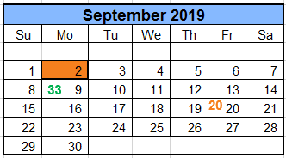
IBM runs a COMPARE (with specific setups/configurations) of U92 to D92 and provide info to Developers via HTML report | 2019-09-13 | 2019-09-16 | IBM Upgrade | Complete
a) The COMPARE would show differences between remediated U92 with Image and what is in D92 to show overlap between Image and Customizations
b) Generated COMPARE would show only CUSTOM objects; don't show any changes that are part of the Oracle delivered patch
c) Compare Project FAMD0071 in D92 to U92 project
Cornell IT Deliver Impact Analysis to Cornell Leads | 2019-09-18 |  | Cornell IT | In Progress
IBM SSC manual steps and validation in U92 | 2019-09-18 | 2019-09-19 | IBM SSC | In Progress
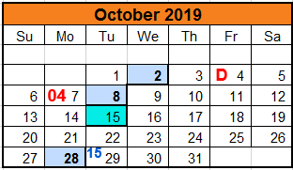
· Include Security Step
IBM complete A92 Test move | 2019-09-17 | 2019-09-23 | IBM Upgrade | In Progress
· Outage timings to be compiled after
· environment down
IBM Deliver Compare report for U92 to D92 - send to: Sherri, Rob | 2019-09-17 |  | IBM Upgrade | Complete
Refresh T92 with U92 and complete Performance Testing (08/16 COP, term to test 2755)
· Refresh T92 with U92 (08/16/19 COP) | 2019-09-17 | 2019-09-18 | IBM Upgrade | In Progress
· Setup term 2755 for Performance Testing | 2019-09-19 | 2019-09-20 | Cornell: Lisa | Open
· Complete Performance Test Scripts and analyze results | 2019-09-23 | 2019-09-30 | IBM CTL | Open
?? db audits - need to discuss with David if added before or after perf test w/ image
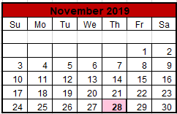
Developers review COMPARE of U92 to D92 | 2019-09-18 | 2019-09-24 | Cornell | In Progress
a) analyze if there is a conflict with the Image
b) Developers save off their projects in flight from D92
IBM SSC Manual steps in A92 | 2019-09-24 | 2019-09-24 | IBM SSC | Open
IBM completes D92 migration of Image 11-14 environment down 2 days | 2019-10-03 | 2019-10-04 | IBM Upgrade | Open
UAT in A92SCOR * including Higher One for Tools Patch (need psjoa.jar file to send to HigherOne) | 2019-09-25 | 2019-10-16 | Cornell | Open
Developers review/re-apply customizations as needed in D92 | 2019-10-07 |  | Cornell | Open
Production move | 2019-10-18 | 2019-10-19 | All | Open

